SOUTHERN CAL DC
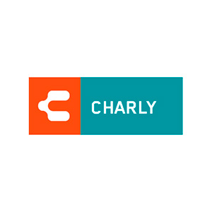 CHARLY
 | RETAIL | STYLE | SKU | Colors | 8 | 8.5 | 9 | 9.5 | 10 | 10.5 | 11 | 11.5 | 12 | 13 | TOTAL
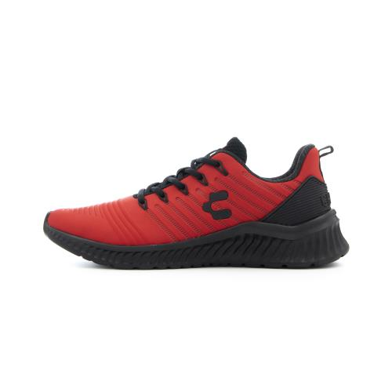 | $55.00 | Falcon | 1029827001 | Red/Blk | 39 |  | 122 | 114 | 116 | 117 | 120 | 95 | 95 | 72 | 890

